Quotation
 |  |  |  |  |  |  |  |  |  |  | PACKAGING : OPTION 1 / Tied on card |  |  |  |  |  |  |  | PACKAGING : OPTION 2 / printed pouch |  |  |  |  |  |  | PACKAGING : OPTION 3 / shrink on card |  |  |  |  |  |  |  |  |  | CARTON SIZES in cm |  |  |  | OUTER CARTON SIZES in cm, IF NEEDED
FDG REF | Estimated annual quantity in cards | Description | Picture | Color | Size | COMPOSITION : To give us the exact material used and % of each if several materials ( according Reach regulation) | COMPOSITION : To give us the exact material used and % of each if several materials ( according Reach regulation) | Covered by Oekoteks certificate Yes / No | Country of production | Production time (in weeks) | MOQ per order in cards | Packaging size when packed | Packaging description | Cardboard thickness | How many ties per card ? | MOQ for cards printing | UNIT PRICE PER PCS ALREADY PACKED INCL. Transportation to YOD | Currency RMB | MOQ per order in cards | Packaging size when packed | Packaging description | Cardboard thickness | MOQ for pouch printing | UNIT PRICE PER PCS ALREADY PACKED INCL. Transportation to YOD | Currency RMB | MOQ per order in cards | Packaging size when packed | Packaging description | Cardboard thickness | MOQ for pouch printing | UNIT PRICE PER PCS ALREADY PACKED INCL. Transportation to YOD | Currency RMB | Number of cards per small inner | Kind of small inner ? | all kinds of bundle workable? If not, please fill in preferation | Number of cards per carton (can not be changed) | Length | Width | Height | Number of cards per outer carton | Length | Width | Height | Gross weight per outer carton (kg) Max 12 kg
SN583005 | 31,812 | 1 PCS BRA CLIP WHITE 3cm*15cm | 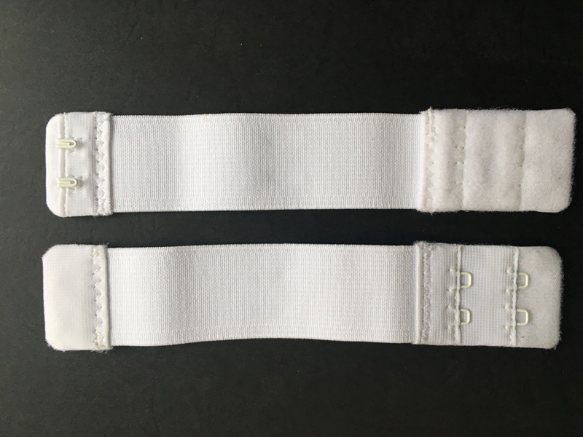 | white | 3cm*15cm | Steel zinc coated, covered with nylon coating 20%+Polyamid 17%+Polypropylen 12%+Polyester 38%+Elastodien 13% |  | YES | China |  |  | 71 x 115 mm | tied on card | 400g | 2 |  |  |  |  | 71 x 115 mm | printed pouch with front window, closing secured at back side with a pcs of tape | 350g |  |  |  |  | 71 x 115 mm | schrinked on card, secure the top with selfadhesive dot | 350g |  |  |  | 3 | nylon link ? rubber band polybag |  | 120 | 60 | 19.5 | 30
SN583006 | 20,916 | 1 PCS BRA CLIP BLACK 3cm*15cm |  | Black | 3cm*15cm | Steel zinc coated, covered with nylon coating 20%+Polyamid 17%+Polypropylen 12%+Polyester 38%+Elastodien 13% |  | YES | China |  |  | 71 x 115 mm | tied on card | 400g | 2 |  |  |  |  | 71 x 115 mm | printed pouch with front window, closing secured at back side with a pcs of tape | 350g |  |  |  |  | 71 x 115 mm | schrinked on card, secure the top with selfadhesive dot | 350g |  |  |  | 3 | nylon link ? rubber band polybag |  | 120 | 60 | 19.5 | 30
SN583007 | 7,128 | 1 PCS BRA CLIP BEIGE 3cm*15cm |  | Beige | 3cm*15cm | Steel zinc coated, covered with nylon coating 20%+Polyamid 17%+Polypropylen 12%+Polyester 38%+Elastodien 13% |  | YES | China |  |  | 71 x 115 mm | tied on card | 400g | 2 |  |  |  |  | 71 x 115 mm | printed pouch with front window, closing secured at back side with a pcs of tape | 350g |  |  |  |  | 71 x 115 mm | schrinked on card, secure the top with selfadhesive dot | 350g |  |  |  | 3 | nylon link ? rubber band polybag |  | 120 | 60 | 19.5 | 30
SN583008 | 9,168 | 2 PCS BRA CLIP 19MM WHITE + BLACK |  | white Black | 1.9cm*8cm | Steel zinc coated, covered with nylon coating 42%+Polyamid 34% +Polypropylen 8%+Polyester 12%+Elastodien 4% |  | YES | China |  |  | 71 x 115 mm | tied on card | 400g | 4 |  |  |  |  | 71 x 115 mm | printed pouch with front window, closing secured at back side with a pcs of tape | 350g |  |  |  |  | 71 x 115 mm | schrinked on card, secure the top with selfadhesive dot | 350g |  |  |  | 3 | nylon link ? rubber band polybag |  | 120 | 60 | 19.5 | 30
SN583009 | 87,096 | 1 PCS WHITE BRA CLIP 30MM | 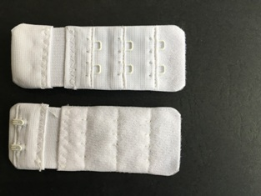 | white | 3cm*8cm | Steel zinc coated, covered with nylon coating 40%+Polyamid 36% +Polypropylen 8% +Polyester 12%+Elastodien 4% |  | YES | China |  |  | 71 x 115 mm | tied on card | 400g | 2 |  |  |  |  | 71 x 115 mm | printed pouch with front window, closing secured at back side with a pcs of tape | 350g |  |  |  |  | 71 x 115 mm | schrinked on card, secure the top with selfadhesive dot | 350g |  |  |  | 3 | nylon link ? rubber band polybag |  | 120 | 60 | 19.5 | 30
SN583010 | 63,336 | 1 PCS BLACK BRA CLIP 30MM |  | Black | 3cm*8cm | Steel zinc coated, covered with nylon coating 40%+Polyamid 36% +Polypropylen 8% +Polyester 12%+Elastodien 4% |  | YES | China |  |  | 71 x 115 mm | tied on card | 400g | 2 |  |  |  |  | 71 x 115 mm | printed pouch with front window, closing secured at back side with a pcs of tape | 350g |  |  |  |  | 71 x 115 mm | schrinked on card, secure the top with selfadhesive dot | 350g |  |  |  | 3 | nylon link ? rubber band polybag |  | 120 | 60 | 19.5 | 30
SN583011 | 30,972 | 1 PCS BEIGE BRA CLIP 30MM |  | Beige | 3cm*8cm | Steel zinc coated, covered with nylon coating 40%+Polyamid 36% +Polypropylen 8% +Polyester 12%+Elastodien 4% |  | YES | China |  |  | 71 x 115 mm | tied on card | 400g | 2 |  |  |  |  | 71 x 115 mm | printed pouch with front window, closing secured at back side with a pcs of tape | 350g |  |  |  |  | 71 x 115 mm | schrinked on card, secure the top with selfadhesive dot | 350g |  |  |  | 3 | nylon link ? rubber band polybag |  | 120 | 60 | 19.5 | 30
SN583012 | 66,348 | 1 PCS WHITE BRA CLIP 38MM |  | white | 3.8cm*8cm | Steel zinc coated, covered with nylon coating 38%+Polyamid 36% +Polypropylen 9%+Polyester 13%+Elastodien 4% |  | YES | China |  |  | 71 x 115 mm | tied on card | 400g | 2 |  |  |  |  | 71 x 115 mm | printed pouch with front window, closing secured at back side with a pcs of tape | 350g |  |  |  |  | 71 x 115 mm | schrinked on card, secure the top with selfadhesive dot | 350g |  |  |  | 3 | nylon link ? rubber band polybag |  | 120 | 60 | 19.5 | 30
SN583013 | 44,520 | 1 PCS BLACK BRA CLIP 38MM | 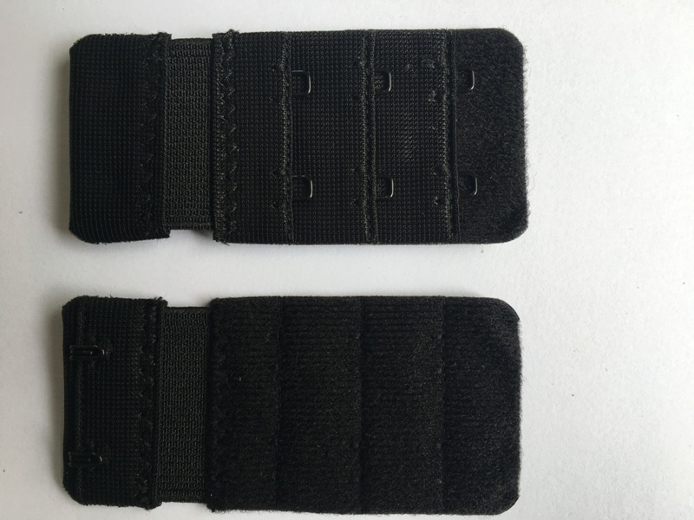 | Black | 3.8cm*8cm | Steel zinc coated, covered with nylon coating 38%+Polyamid 36% +Polypropylen 9%+Polyester 13%+Elastodien 4% |  | YES | China |  |  | 71 x 115 mm | tied on card | 400g | 2 |  |  |  |  | 71 x 115 mm | printed pouch with front window, closing secured at back side with a pcs of tape | 350g |  |  |  |  | 71 x 115 mm | schrinked on card, secure the top with selfadhesive dot | 350g |  |  |  | 3 | nylon link ? rubber band polybag |  | 120 | 60 | 19.5 | 30
SN583014 | 25,140 | 1 PCS BEIGE BRA CLIP 38MM | 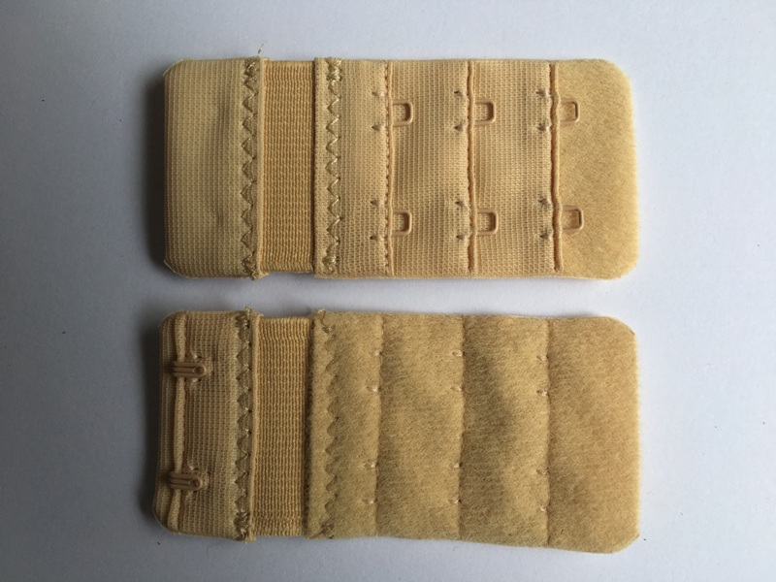 | Beige | 3.8cm*8cm | Steel zinc coated, covered with nylon coating 38%+Polyamid 36% +Polypropylen 9%+Polyester 13%+Elastodien 4% |  | YES | China |  |  | 71 x 115 mm | tied on card | 400g | 2 |  |  |  |  | 71 x 115 mm | printed pouch with front window, closing secured at back side with a pcs of tape | 350g |  |  |  |  | 71 x 115 mm | schrinked on card, secure the top with selfadhesive dot | 350g |  |  |  | 3 | nylon link ? rubber band polybag |  | 120 | 60 | 19.5 | 30
SN583015 | 56,496 | 1 PCS BRA EXTENDER 3 HOOKS WHITE | 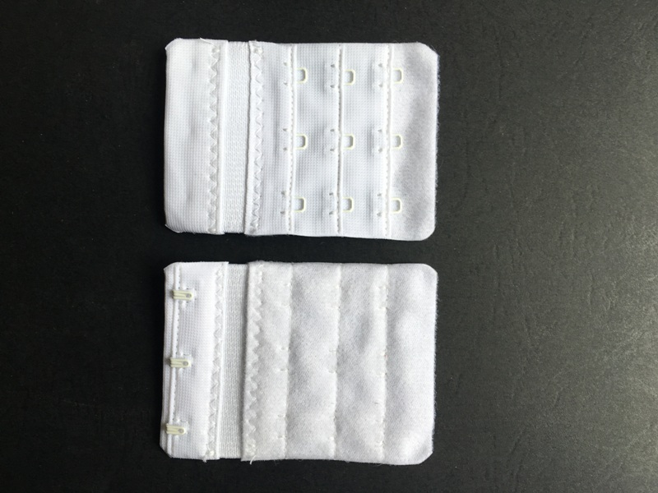 | white | 5.7cm*8cm | Steel zinc coated, covered with nylon coating 40%+Polyamid 36% +Polypropylen 8% +Polyester 12%+Elastodien 4% |  | YES | China |  |  | 71 x 115 mm | tied on card | 400g | 3 |  |  |  |  | 71 x 115 mm | printed pouch with front window, closing secured at back side with a pcs of tape | 350g |  |  |  |  | 71 x 115 mm | schrinked on card, secure the top with selfadhesive dot |  |  |  |  | 3 | nylon link ? rubber band polybag |  | 90 | 60 | 19.5 | 30
SN583016 | 36,576 | 1 PCS BRA EXTENDER 3 HOOKS BLACK | 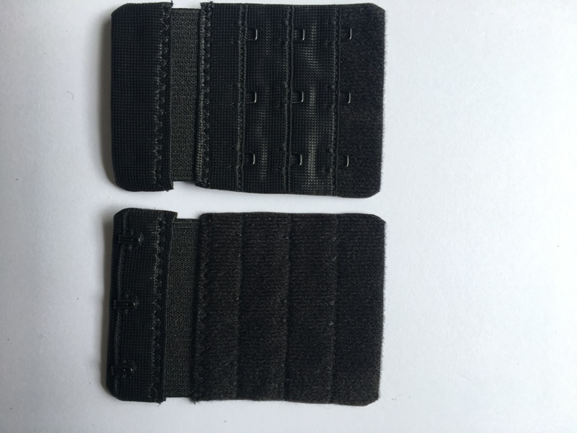 | Black | 5.7cm*8cm | Steel zinc coated, covered with nylon coating 40%+Polyamid 36% +Polypropylen 8% +Polyester 12%+Elastodien 4% |  | YES | China |  |  | 71 x 115 mm | tied on card | 400g | 3 |  |  |  |  | 71 x 115 mm | printed pouch with front window, closing secured at back side with a pcs of tape | 350g |  |  |  |  | 71 x 115 mm | schrinked on card, secure the top with selfadhesive dot |  |  |  |  | 3 | nylon link ? rubber band polybag |  | 90 | 60 | 19.5 | 30
 | 479,508

 |  |  |  |  | 背扣 |  | 松紧带 | 车缝 |  |  | 纸卡 | 包装费 | 纸箱 | 运费 |  | 合计 | 人民币 | USD | Wenco | 纸盒 | 包装费 | 纸箱 | 运费 |  |  |  | 纸卡 | 收缩膜 | 包装费 | 纸箱 | 运费 | 合计 | 人民币 | USD
 |  |  | 30 | 2.73 | 0.24 | 1.35 | 0.16 | 0.16 |  |  | 0.18 | 0.3 | 0.04 | 0.04 |  | 1.11 | ¥1.59 | US$0.23 | 0.22 |  | 0.3 | 0.04 | 0.04 |  |  |  | 0.18 | 0.05 | 0.3 | 0.04 | 0.04 | 1.16 | ¥1.66 | US$0.24
 |  |  |  |  |  |  |  |  |  |  |  |  |  |  |  |  |  |  |  |  |  |  |  |  |  |  |  |  |  |  |  | 0.00 | ¥0.00 | US$0.00
 |  |  |  |  |  |  |  |  |  |  |  |  |  |  |  |  |  |  |  |  |  |  |  |  |  |  |  |  |  |  |  | 0.00 | ¥0.00 | US$0.00
 |  |  | 19 | 1.9 | 0.17 | 1.2 | 0.05 | 0.16 |  |  | 0.18 | 0.3 | 0.04 | 0.04 |  | 0.93 | ¥1.33 | US$0.19 | 0.182 |  | 0.3 | 0.04 | 0.04 |  |  |  | 0.18 | 0.05 | 0.3 | 0.04 | 0.04 | 0.98 | ¥1.40 | US$0.20
 |  |  | 30 | 2.73 | 0.24 | 1.35 | 0.05 | 0.16 |  |  | 0.18 | 0.3 | 0.04 | 0.04 |  | 1.01 | ¥1.44 | US$0.21 | 0.22 |  | 0.3 | 0.04 | 0.04 |  |  |  | 0.18 | 0.05 | 0.3 | 0.04 | 0.04 | 1.06 | ¥1.52 | US$0.22
 |  |  | 38 | 3.06 | 0.27 | 1.8 | 0.07 | 0.18 |  |  | 0.18 | 0.3 | 0.04 | 0.04 |  | 1.08 | ¥1.54 | US$0.22 | 0.255 |  | 0.3 | 0.04 | 0.04 |  |  |  | 0.18 | 0.05 | 0.3 | 0.04 | 0.04 | 1.13 | ¥1.61 | US$0.23
 |  |  | 57 | 4.14 | 0.36 | 2.7 | 0.10 | 0.2 |  |  | 0.18 | 0.3 | 0.055 | 0.055 |  | 1.26 | ¥1.79 | US$0.26 | 0.324 |  | 0.3 | 0.055 | 0.055 |  |  |  | 0.18 | 0.05 | 0.3 | 0.055 | 0.055 | 1.31 | ¥1.87 | US$0.27

option 1
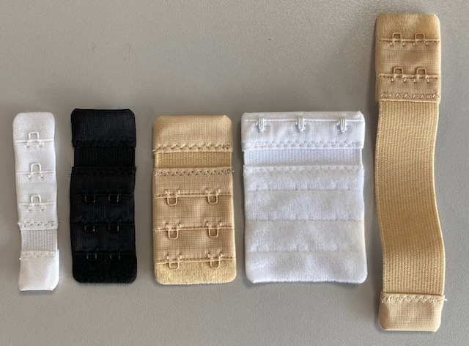
 | Cards printed in 3 pantone colors front / black color back
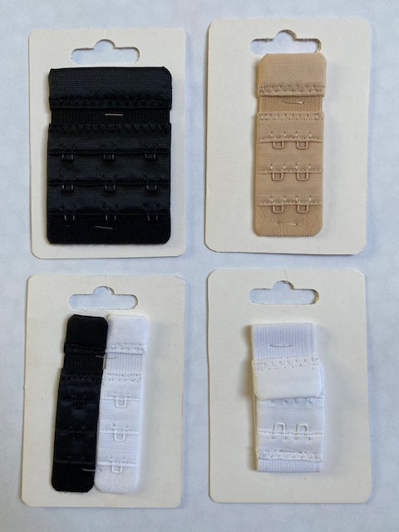

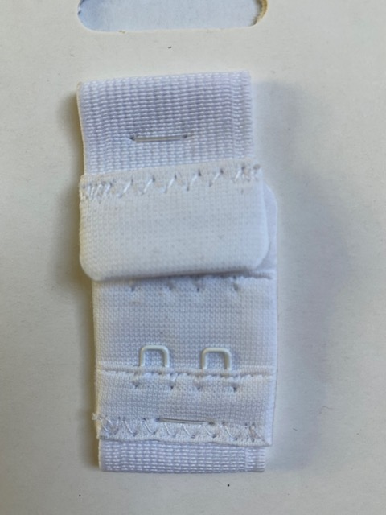
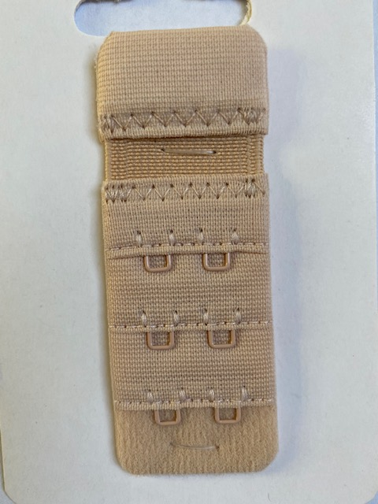
 | ZOOM ON "DOUBLE LINKS"

 | Total length of links : about 12/13 mm



Ends part : length 7mm minimum

option 2
PRINTED POUCH

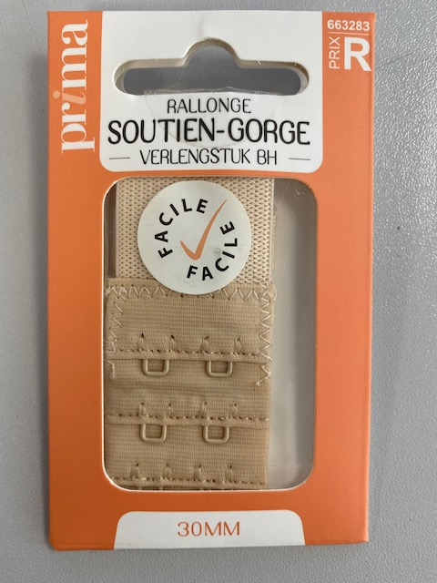
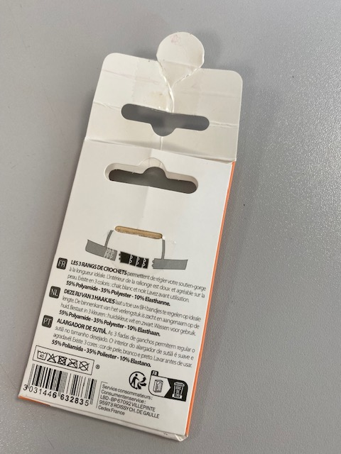
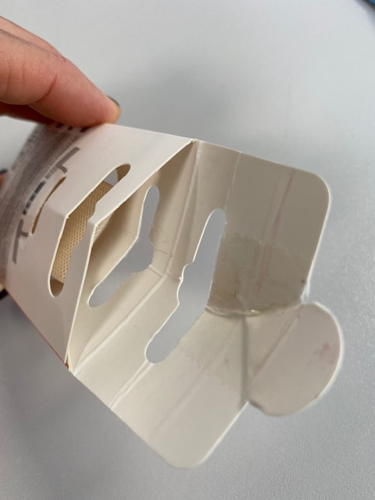
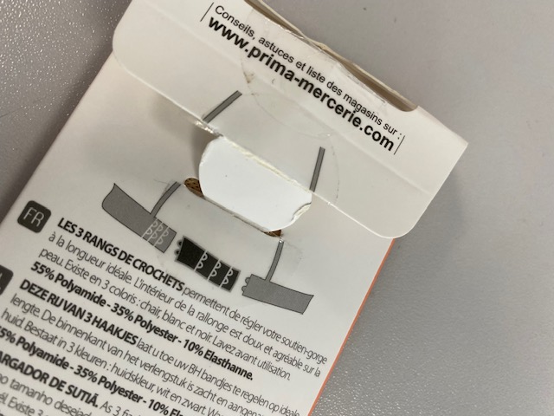
Whole size when packed : 71 x 115 mm
Window size : width 5 cm x height 7 cm
PET window stuck inside the pouch
cardboard thickness 350g ? White back
printing in 3 pantone colors + black color

Pouch closing secured by a round adhesive label

 | NO STICKER

option 3
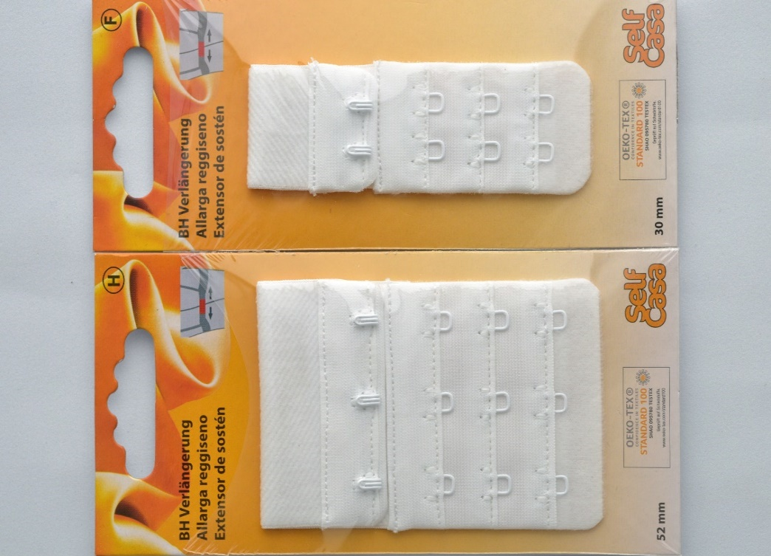
card shrinked with foil

Whole size when packed : 71 x 115 mm | selfadhesive dot
cardboard thickness 350g ? White back
printing in 3 pantone colors + black color
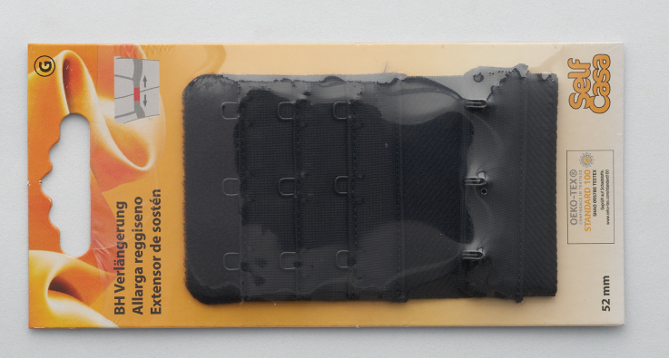
shrink foil = recyclet material
shrink foil secured with selfadhesive dot on top.

